Instructions
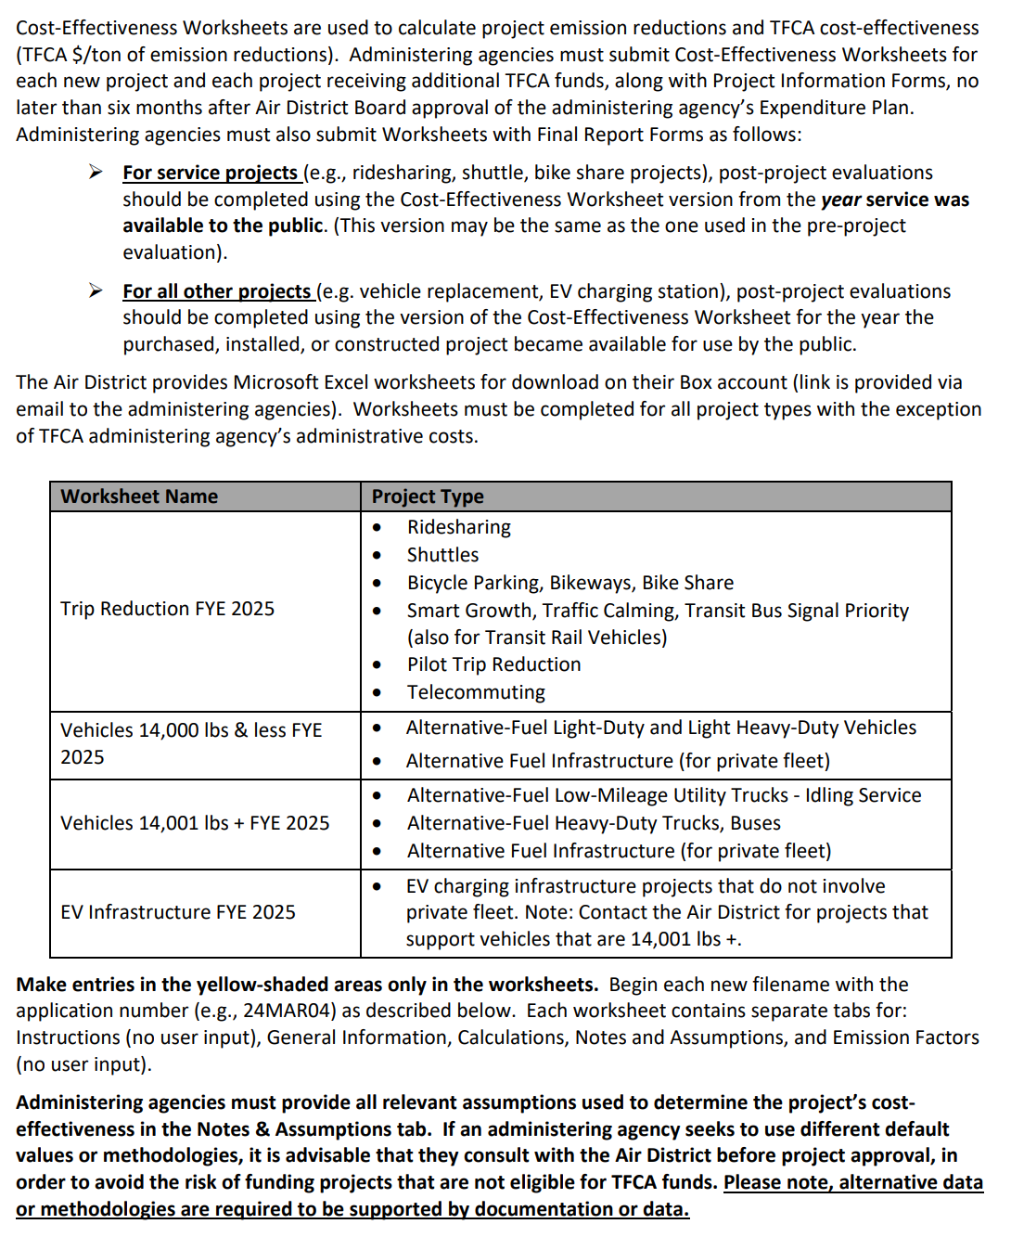
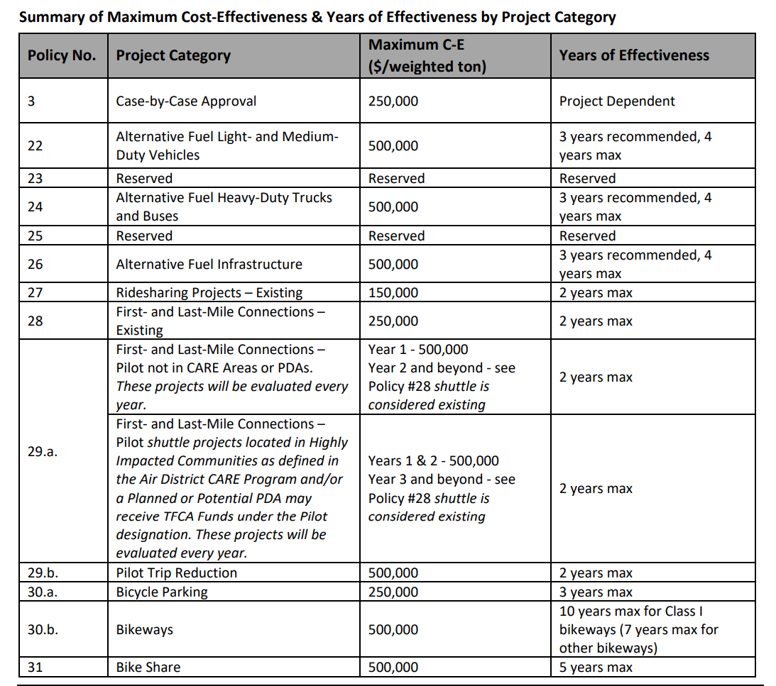
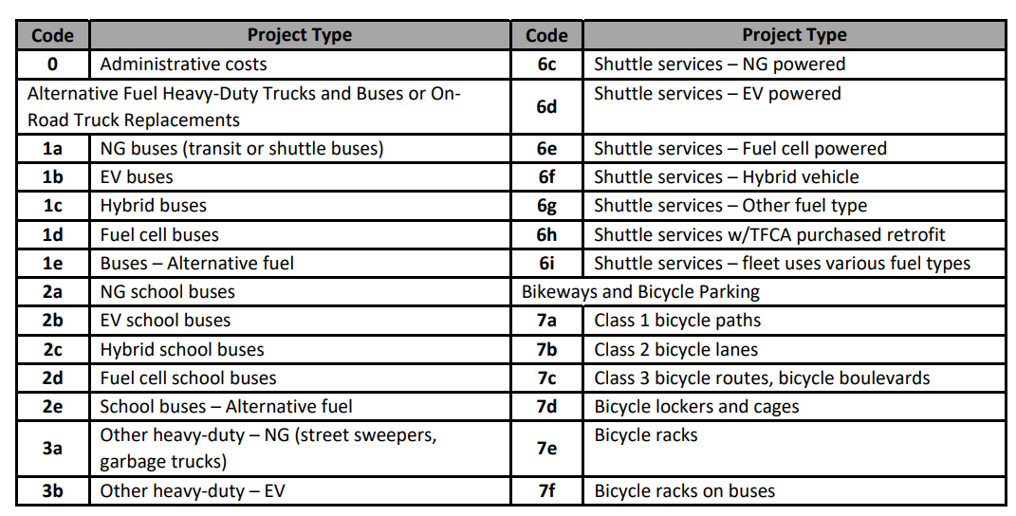
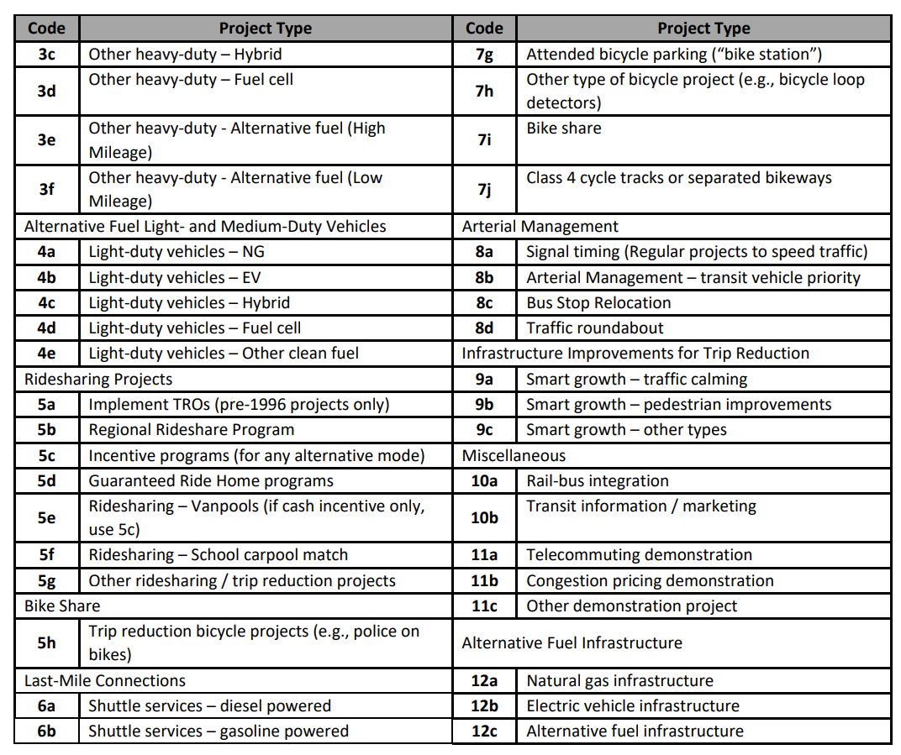
RIDESHARING, BICYCLE, SHUTTLE, AND SMART GROWTH PROJECTS
FYE 2025 TFCA 40% Fund Worksheet
Version 2025, Updated 1/9/24

Detailed instructions are available in Appendix H of the 40% Fund Expenditure Plan Guidance Fiscal Year Ending 2025 at:
http://www.baaqmd.gov/tfca4pm

