Instructions
VEHICLE 14,000 lbs & LESS PROJECTS
FYE 2025 TFCA 40% Fund Worksheet
Version 2025, Updated 1/9/24

Instructions are available in Appendix H of the 40% Expenditure Plan Guidance Fiscal Year Ending 2025 at:
http://www.baaqmd.gov/tfca4pm

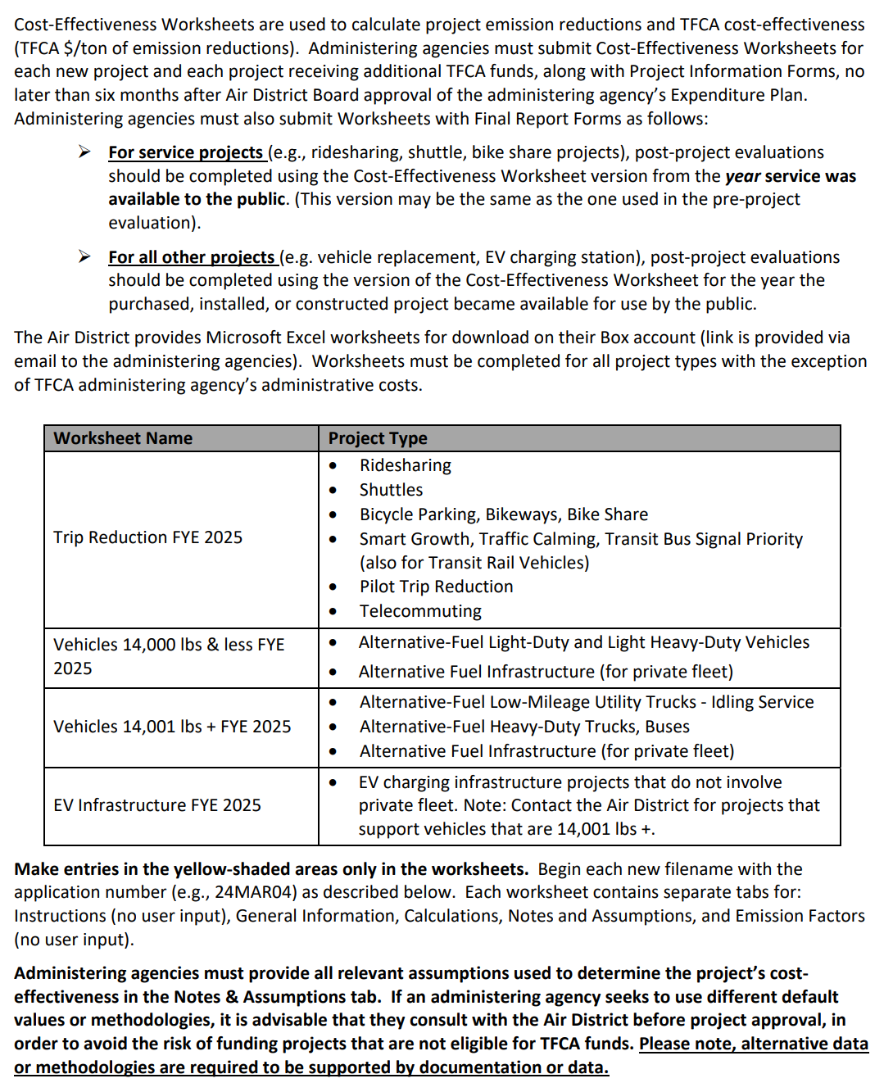
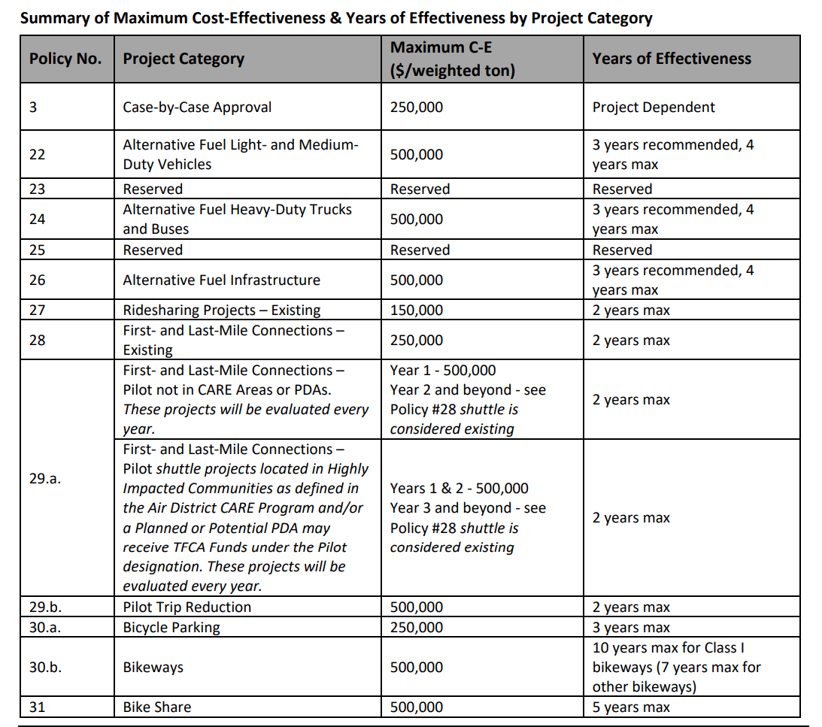
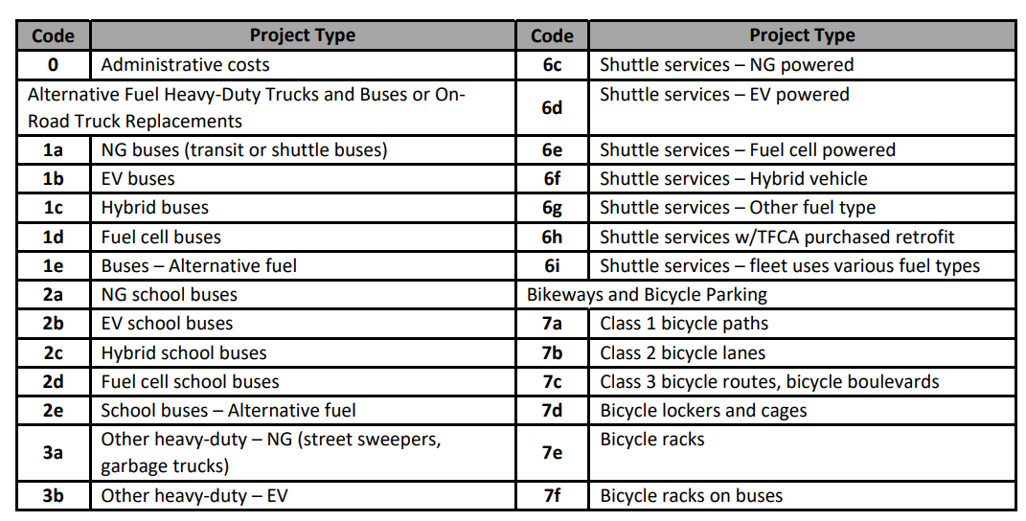

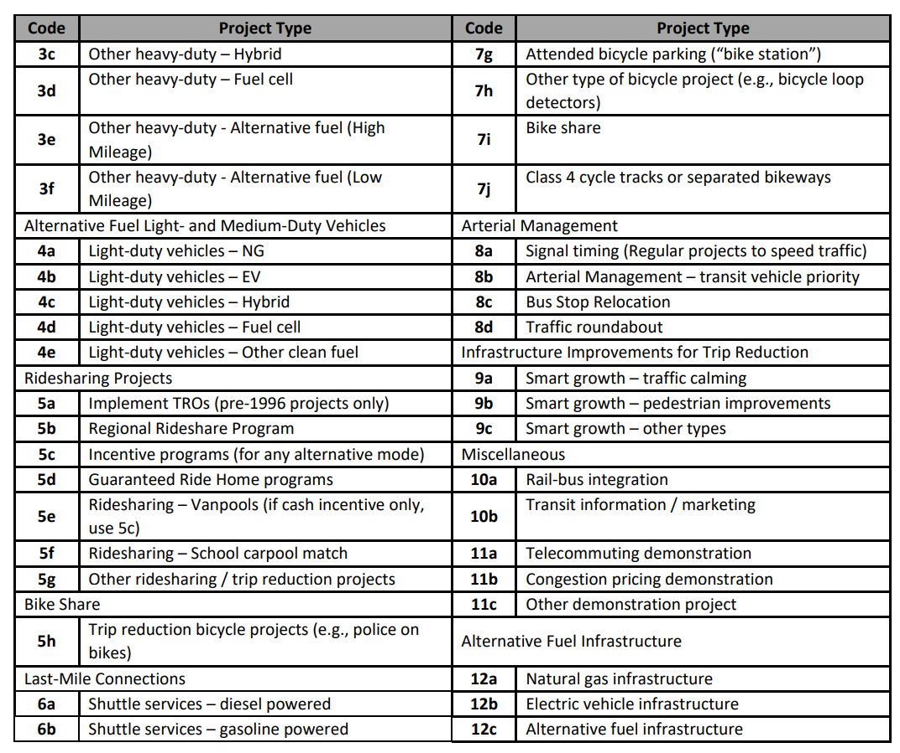

 | Column | Column Title | Description/Instruction
 | B | Unit #/ID | Unique ID for vehicle
 | C | Incremental Cost | Cost difference between baseline vehicle and proposed clean vehicle
 | D | Amount Requested | Award amount requested for the vehicle
 | E | Baseline Fuel Type | For fleet expansion projects, select N/A
 | F | Vehicle Class | Choose passenger car, light-duty truck, light-heavy-duty truck, medium-duty vehicle, or or motorcycle
 | G | Avg Annual Miles | Enter average miles vehicle will operate annually
 | H | Vehicle Purchase Year | Enter 2020 or 2021
 | I-L | Baseline Emissions Standard - See Emission Factors Table or Existing Vehicles Table (gr/mi) | (1) Fleet expansion projects enter the applicable emission rate for the baseline vehicle for the proposed vehicle purchase year. This data is found in the Emission Factors Table. (2) Vehicle replacement projects (requires scrapping of existing vehicle) determine the existing vehicle's model year. Then find the model year under the vehicle type in the Existing Vehicles Table. Then enter the applicable emission rate for the existing vehicle.
 | M-P | Proposed Vehicle Emission Standard. - See Emission Factors Table (gr/mi) | Enter or link the applicable emission rate for the proposed vehicle for the vehicle purchase year; enter 0.00 for emission rates with "NA"
 | Q-T | Emission Reductions (gr/yr) | Automatically calculated
 | U | Cost-Effectiveness ($ / weighted ton) | Automatically calculated

